Sheet1
Reverse Voltage (V) | Reverse Current (uA) | Temperature (degC) | Temperature (K) | K^-1 | Resistor Val: | Reverse Voltage (V) | Reverse Current (uA) | Temperature (degC) | Temperature (K) | Reverse Voltage (V) | Reverse Current (uA) | Temperature (degC) | Temperature (K)
65.8 | 14.7 | 93 | 366.15 | 0.0027311211252 | 502000 | 30.28 | 12.1 | 93.5 | 366.65 | 10.15 | 7.9 | 93.6 | 366.75
65.8 | 14.9 | 93.2 | 366.35 | 0.0027296301351 | highlighted values are calculated using resistor voltage drop | 30.02 | 17.8 | 98.9 | 372.05 | 9.97 | 11.9 | 99 | 372.15
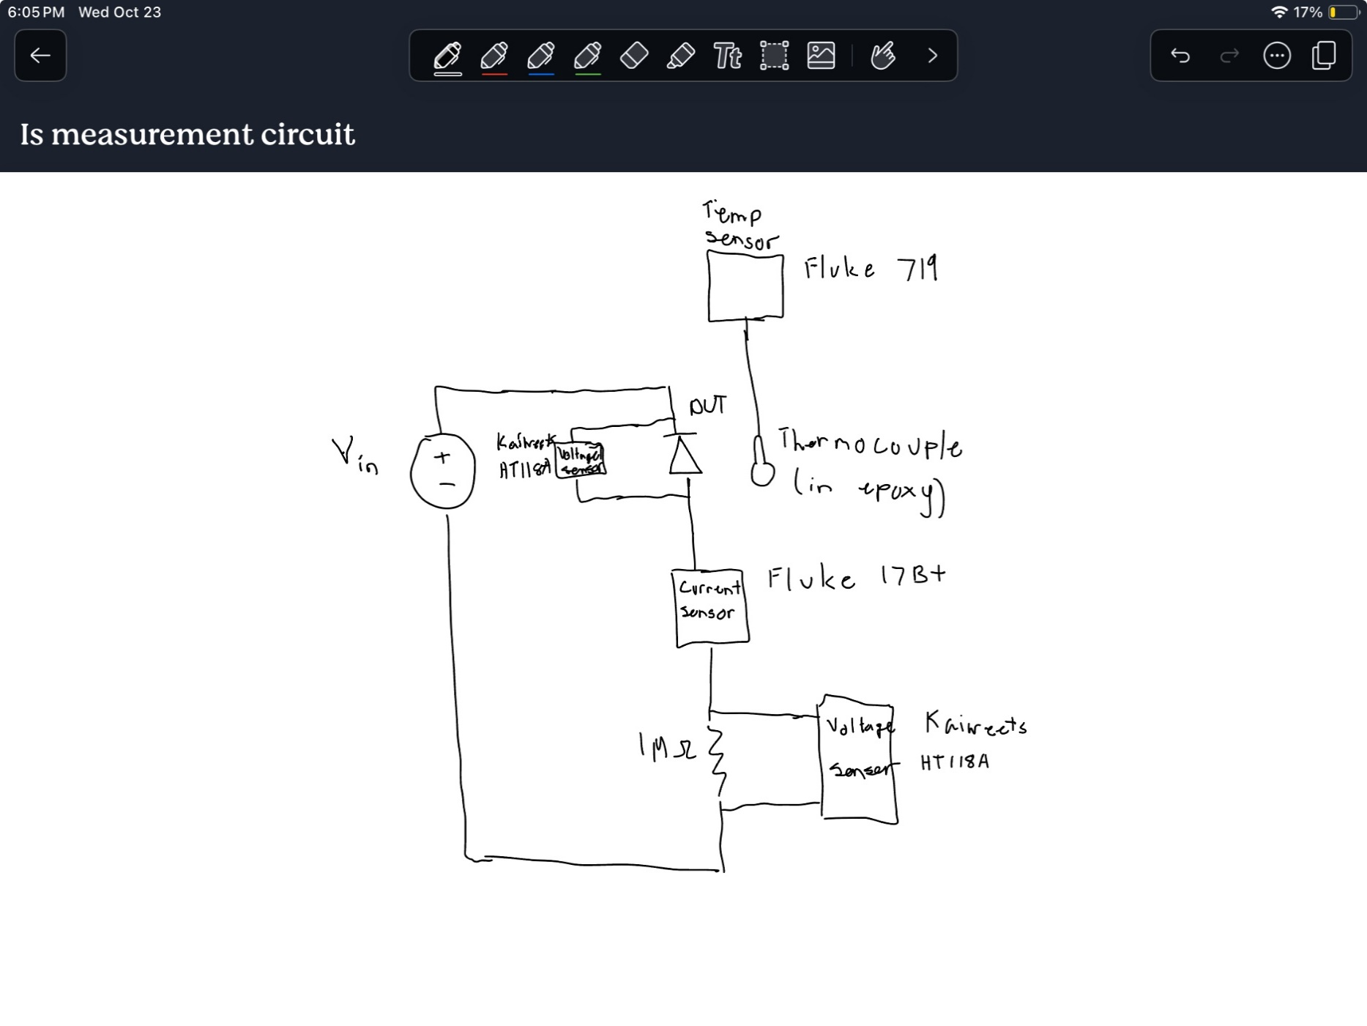
65.8 | 21.9 | 98.6 | 371.75 | 0.0026899798252 |  | 29.92 | 28 | 105.4 | 378.55 | 9.72 | 19.2 | 105.5 | 378.65
65.8 | 23.8 | 99.7 | 372.85 | 0.0026820437173 |  | 29.98 | 48.4 | 113.3 | 386.45 | 9.92 | 63.6 | 121.9 | 395.05
65.8 | 34.4 | 105.2 | 378.35 | 0.002643055372 |  | 30.01 | 83.6 | 121.7 | 394.85 | 10.04 | 143.5 | 134.2 | 407.35
65.8 | 38.5 | 107.1 | 380.25 | 0.0026298487837 |  | 30 | 181.3 | 134.2 | 407.35 | 9.46 | 0.018924302789 | 23 | 296.15
65.8 | 57.8 | 112.9 | 386.05 | 0.0025903380391 |  | 28.57 | 0.043426294821 | 22.9 | 296.05 | 10 | 0.048505976096 | 32.4 | 305.55
65.8 | 65.2 | 115 | 388.15 | 0.0025763235862 |  | 29.78 | 0.10258964143 | 32.4 | 305.55 | 9.99 | 0.10219123506 | 40.6 | 313.75
65.8 | 99.2 | 121.4 | 394.55 | 0.0025345330123 |  | 29.81 | 0.20836653386 | 40.5 | 313.65 | 10.08 | 0.16772908367 | 46.8 | 319.95
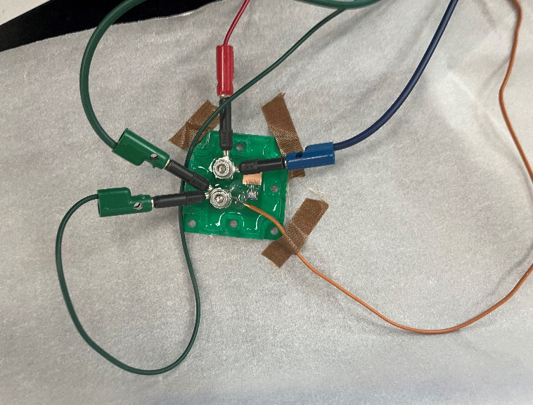
65.8 | 114.2 | 123.8 | 396.95 | 0.0025192089684 |  | 29.81 | 0.34342629482 | 46.8 | 319.95 | 10.1 | 0.3 | 55.1 | 328.25
65.8 | 214 | 134.2 | 407.35 | 0.0024548913711 |  | 30.24 | 0.6 | 55.1 | 328.25 | 10.06 | 0.65 | 63.4 | 336.55
65.8 | 216.3 | 134.4 | 407.55 | 0.0024536866642 |  | 29.93 | 1.2 | 63.3 | 336.45 | 9.94 | 1.3 | 71.8 | 344.95
63.1 | 0.058366533865 | 22.9 | 296.05 | 0.0033778078027 |  | 30.12 | 2.4 | 71.8 | 344.95 | 9.98 | 2.6 | 80.2 | 353.35
63.1 | 0.058565737052 | 23 | 296.15 | 0.0033766672294 |  | 30.01 | 4.5 | 80.2 | 353.35 | 10 | 3.9 | 85.2 | 358.35
63.1 | 0.13446215139 | 32.4 | 305.55 | 0.0032727867779 |  | 29.86 | 6.5 | 85.2 | 358.35
Is vs Temperature
 | 65.8V |  | 30V |  | 10V
366.15 | 14.7 | 12.1 |  | 7.9
366.35 | 14.9 | 17.8 |  | 11.9
371.75 | 21.9 | 28 |  | 19.2
372.85 | 23.8 | 48.4 |  | 63.6
378.35 | 34.4 | 83.6 |  | 143.5
380.25 | 38.5 | 181.3 |  | 0.018924302789
386.05 | 57.8 | 0.043426294821 |  | 0.048505976096
388.15 | 65.2 | 0.10258964143 |  | 0.10219123506
394.55 | 99.2 | 0.20836653386 |  | 0.16772908367
396.95 | 114.2 | 0.34342629482 |  | 0.3
407.35 | 214 | 0.6 |  | 0.65
407.55 | 216.3 | 1.2 |  | 1.3
296.05 | 0.058366533865 | 2.4 |  | 2.6
296.15 | 0.058565737052 | 4.5 |  | 3.9
305.55 | 0.13446215139 | 6.5
305.55 | 0.13505976096
313.55 | 0.26772908367
313.85 | 0.27450199203
319.85 | 0.45219123506
319.85 | 0.4
328.15 | 0.8
328.25 | 0.8
336.45 | 1.6
336.65 | 1.6
344.85 | 3.1
345.05 | 3.1
353.25 | 5.8
353.35 | 5.8
358.3 | 8.2
63.1 | 0.13505976096 | 32.4 | 305.55 | 0.0032727867779
63 | 0.26772908367 | 40.4 | 313.55 | 0.0031892840057
63 | 0.27450199203 | 40.7 | 313.85 | 0.0031862354628
65.8 | 0.45219123506 | 46.7 | 319.85 | 0.0031264655307
65.8 | 0.4 | 46.7 | 319.85 | 0.0031264655307
65.8 | 0.8 | 55 | 328.15 | 0.0030473868658
65.8 | 0.8 | 55.1 | 328.25 | 0.003046458492
65.8 | 1.6 | 63.3 | 336.45 | 0.002972209838
65.8 | 1.6 | 63.5 | 336.65 | 0.0029704440814
65.8 | 3.1 | 71.7 | 344.85 | 0.0028998115123
65.8 | 3.1 | 71.9 | 345.05 | 0.0028981307057
65.8 | 5.8 | 80.1 | 353.25 | 0.002830856334
65.8 | 5.8 | 80.2 | 353.35 | 0.0028300551861
65.8 | 8.2 | 85.15 | 358.3 | 0.0027909572984

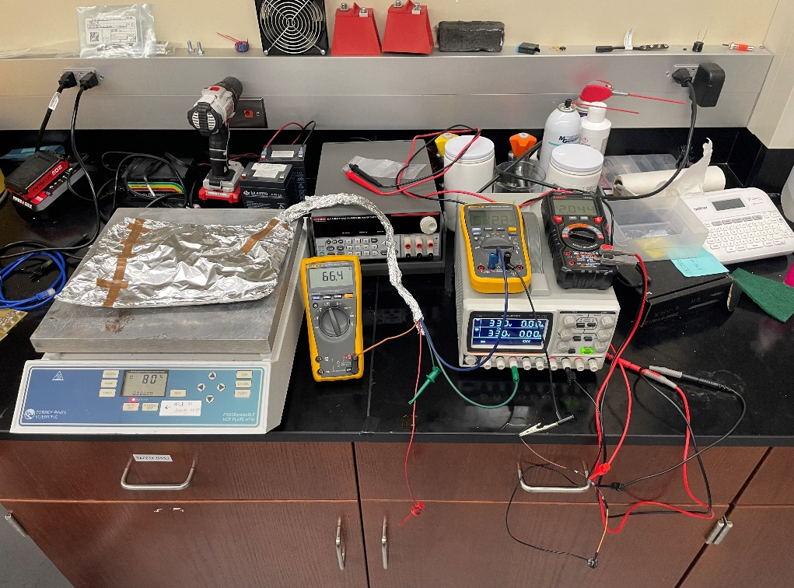
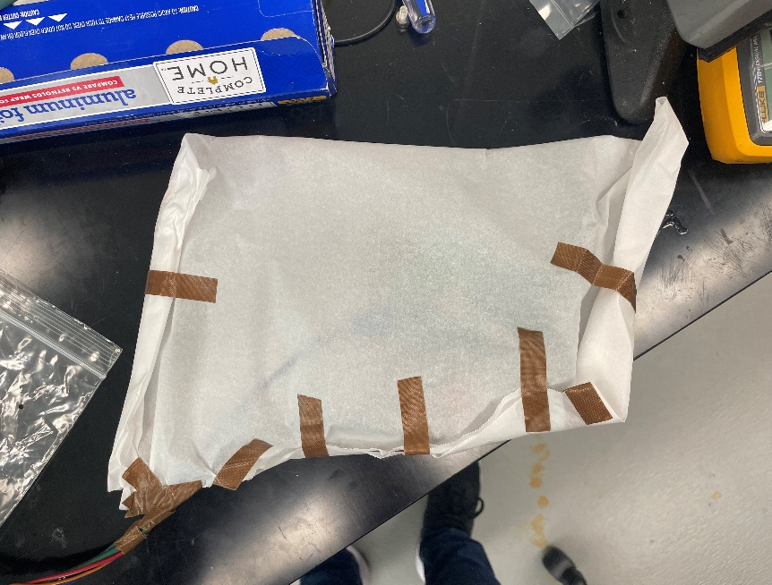

Is vs T^-1
 | K^-1
0.0027311211252 | 14.7
0.0027296301351 | 14.9
0.0026899798252 | 21.9
0.0026820437173 | 23.8
0.002643055372 | 34.4
0.0026298487837 | 38.5
0.0025903380391 | 57.8
0.0025763235862 | 65.2
0.0025345330123 | 99.2
0.0025192089684 | 114.2
0.0024548913711 | 214
0.0024536866642 | 216.3
0.0033778078027 | 0.058366533865
0.0033766672294 | 0.058565737052
0.0032727867779 | 0.13446215139
0.0032727867779 | 0.13505976096
0.0031892840057 | 0.26772908367
0.0031862354628 | 0.27450199203
0.0031264655307 | 0.45219123506
0.0031264655307 | 0.4
0.0030473868658 | 0.8
0.003046458492 | 0.8
0.002972209838 | 1.6
0.0029704440814 | 1.6
0.0028998115123 | 3.1
0.0028981307057 | 3.1
0.002830856334 | 5.8
0.0028300551861 | 5.8
0.0027909572984 | 8.2

